Exploded view
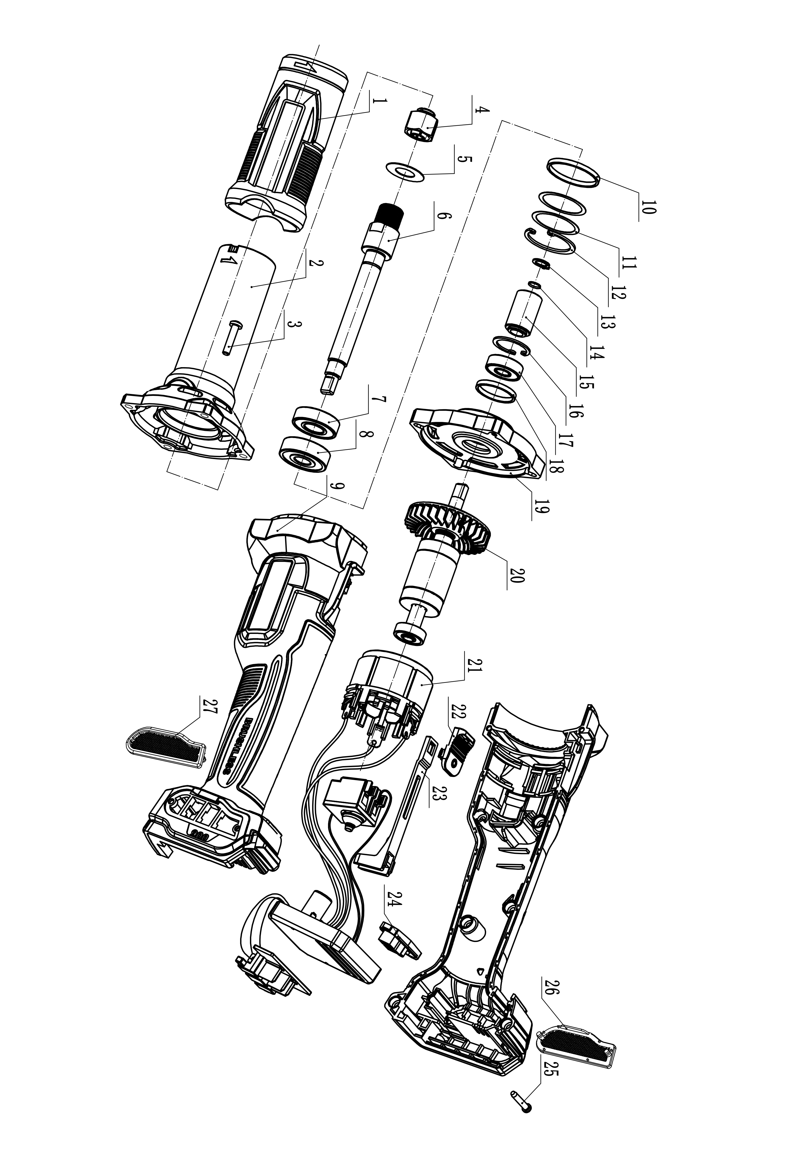
CDGLI2001 Exploded view

